Sheet1
PRODUCT NAME | IMAGE | DESCRIPTION
VALVES
1 pc ball valve S/E | 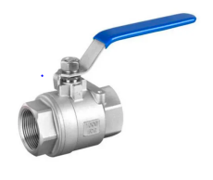 | "ALBI' make Two Pc Ball Valves in CF8 and CF8M body/Ball, ends screwed to BSP (F) 1000WOG.
3 pc ball valve S/E | 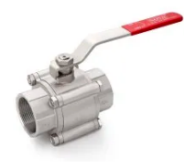 | PHBB make 3 Pc Ball valves in WCB/A105/CF8/CF8M body and SS316 Ball, PTFE seats, ends screwed or socketweld class 800# IBR/NIBR.
2 pc ball valve flanged | 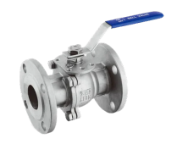 | PHBB make 2 Pc Ball valves in WCB/CF8/CF8M/CF3M body and SS316/SS316L Ball, RPTFE seats, ends Flanged to ANSI B 16.5 150#/300#/600#/900#.
3 pc ball valve flanged | 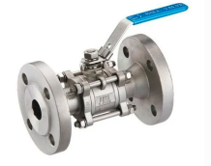 | Flowmax make 3 Pc Ball valves in WCB/CF8/CF8M body and SS316 Ball, PTFE seats, ends flanged to class ANSI B 16.5 150#.
Butterfly valves | 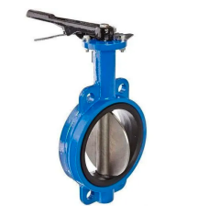 | Wafer Type Butterfly Valves in Cast Iron/Cast Steel (WCB) body, CF8/DI disc, EPDM/NBR PN-10/PN-16 suitable for mounting between ANSI flanges.
Wafer check valve | 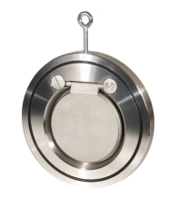 | Wager Type check valves in MS/CF8 body and MS/CF8 disc with EPDM sealing ring, suitable for mounting between ANSI flanges.
Disc check valve | 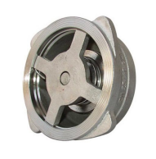 | Disc check valves in CF8/CF8M body and spring, suitable for mounting between ANSI flanges.
3 way ball valve S/E | 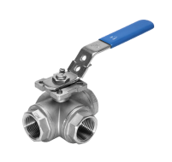 | ALBI make 3 way L Port or T port ball valves in CF8/CF8M body and ball, PTFE seats, ends screwed (BSP f) 1000 WOG.
3 way ball valve flanged | 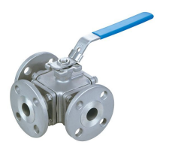 | PHBB make 3 way 'L' Port or 'T' port ball valves in WCB/CF8/CF8M body and CF8/CF8M ball, PTFE seats, ends flanged to ANSI B 16.5 150#/300#.
3 way ball valve with TC ends | 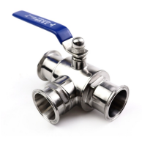 | ALBI make 3 way L Port or T port ball valves in CF8/CF8M body and ball, PTFE seats, endsTriclover ends (TC ends) 1000 WOG.
Needle valve |  | Needle valves in SS304/SS316 ends screwed BSP/NPT.

Valve Automation
Pneumatic actuators | 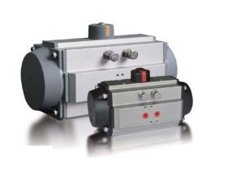 | "PHBB" make Pneumatic rotary Rack & Pinion actuators for qtr turn valves.
Ball valve with Pneumatic actuators | 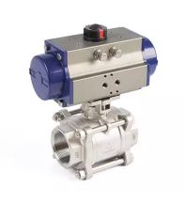 | 2 Pc / 3 Pc Ball Valves in screwed/socketweld ends connections with Pneumatic Rotary actuators
Ball valve flanged with Pneumatic actuators | 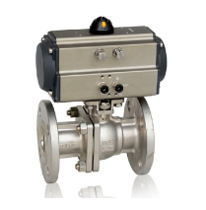 | 2 Pc / 3 Pc Ball Valves in Flanged end connections with Pneumatic Rotary actuators
Ball valve flanged with Pneumatic actuators | 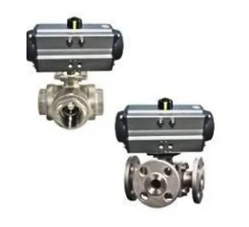 | 3 way or 4 way Multiport ball valves with pneumatic or elctric actuators
Butterfly valve with Pneumatic actuators |  | Butterfly valves with pneumatic actuators
Shut down valves | 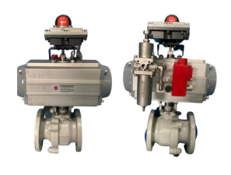 | Shutdown Ball Valves with Spring Return single acting actuators.
Butterfly with electric actuator |  | Butterfly Valves with Electric actuators.
Butterfly control valve | 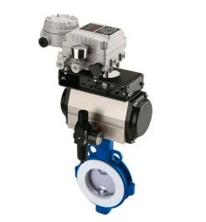 | Butterfly Control Valves.
Actuated Butterfly valve with TC ends |  | Butterfly On - Off / Control Butterfly Valves for Dairy / Beverages industry.
Angle Piston Valves S/E | 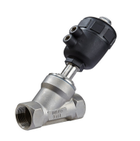 | ALBI make angle body piston actuated valves with Single acting or double acting linear actuators. Body Material shall be CF8 or CF8M. Ends Screwed to BSP (F).
Angle Piston Valves Flanged end | 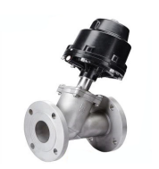 | ALBI make angle body piston actuated valves with Single acting or double acting linear actuators. Body Material shall be CF8 or CF8M. Ends Flanged 150#.
Angle Piston Valves TC ends | 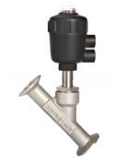 | ALBI make angle body piston actuated valves with Single acting or double acting linear actuators. Body Material shall be CF8 or CF8M. Ends Triclover ends (TC ends).
Timer Drain Valves | 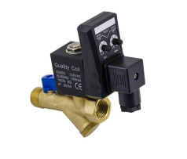 | Timer drain valves in Brass body with inbuilt strainer. Both opening time and closing time adjustable. Suitable for automatic drain of water / condensdate from Driers / compressors/ Air storage vessels.
Pulse jet Valves |  | Pulse jet solenoid valves for bag filrers.
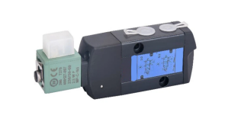 Namur Solenoid Valves |  | 5/2 way - 3/2 way convertible NAMUR solenoid valves in aluminium body for double acting and single acting rotary pneumatic actuators.
Flow Meters |  | Turbine Flow Meters
STAINLESS STEEL TC ENDS CLAMP FITTINGS AND VALVES
Flow Control Valve | 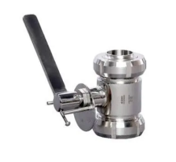
Dairy Clamp with Rubber | 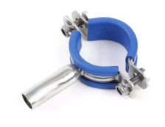
Ferrule Blind | 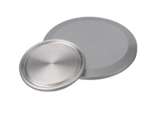
TC Ends Butterfly Valves | 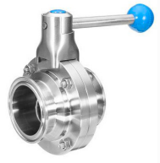
Dairy Pipe Holder 1 | 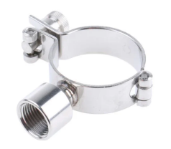
Dairy Pipe Holder 2 | 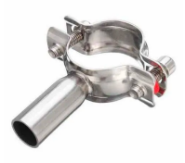
Sample Valve Threaded with SMS Union | 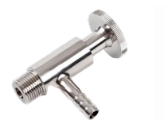
SMS / DIN / IDF Union | 